DC
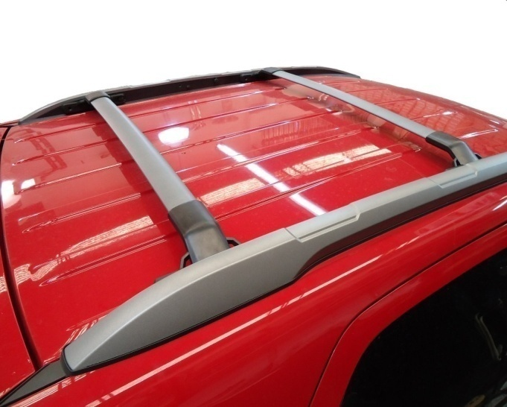
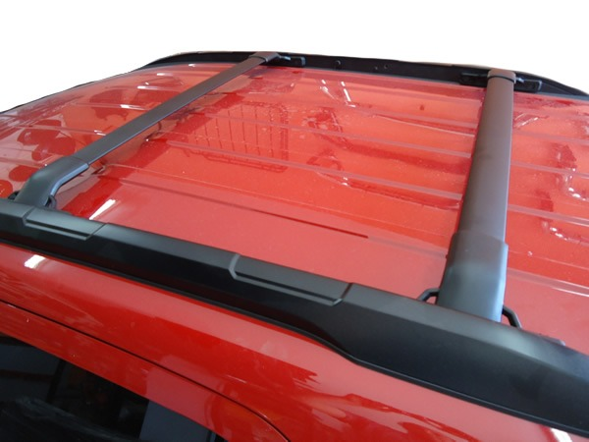
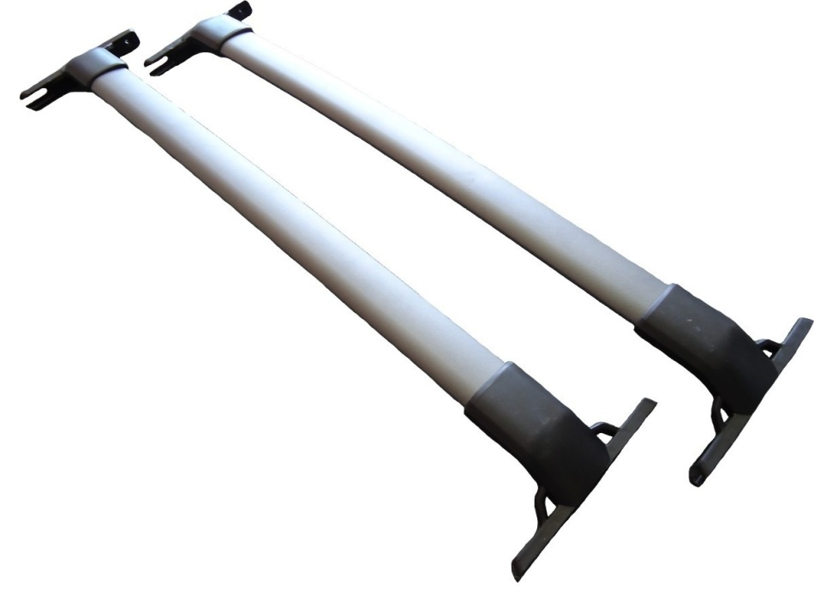
DC BARRAS PORTAEQUIPAJE - LISTA PRECIOS 01 DE JULIO 2023

 | BARRAS AERODINAMICAS ALUMINIO COLOR GRIS

 | CODIGO | VEHICULO | PRECIO
 | DC04G | FIAT TORO | $ 27,126.60
 | DC05G | TIGUAN / CAPTIVA / SAVEIRO | $ 27,126.60
 | DC02G | CHEVROLET TRACKER / PEUGEOT 2008 | $ 27,126.60
 | DC08G | CITROEN AIR CROSS / DUSTER LINEA VIEJA | $ 27,126.60
 | DC12G | CHEVROLET ONIX ACTIVE | $ 27,126.60
 | DC13G | FORD KUGA 2013/TIGUAN ALLSPACE 2019+/TUCSON 2013 | $ 27,126.60
 | DC15G | ETIOS CROSS | $ 27,126.60
 | DC16G | NISSAN FRONTIER NP 300 2017+ | $ 27,126.60
 | DC09G | SANDERO STEPWAY | $ 27,126.60
 | DC24G | KANGOO STEPWAY NUEVA | $ 27,126.60
 | DC25G | GOLF VARIANT | $ 27,126.60
 | DC06G | RENAULT KOLEOS | $ 28,356.82
 | DC03G | CITROEN CACTUS | $ 27,126.60
 | DC21G | VW T-CROSS | $ 27,126.60
 | DC07G | RENAULT DUSTER 2016+ / OROCH | $ 28,356.82
 | DC22G | ZAFIRA / CHERY QQ / CORSA WAGON | $ 27,126.60
 | DC06G | PARTNER PATAGONICA / RANGER LIMITED / JEEP RENEGADE | $ 28,356.82
 | DC18G | SURAN / VW CROSS UP | $ 27,126.60
 | DC26G | CHEVROLET SPIN | $ 27,126.60
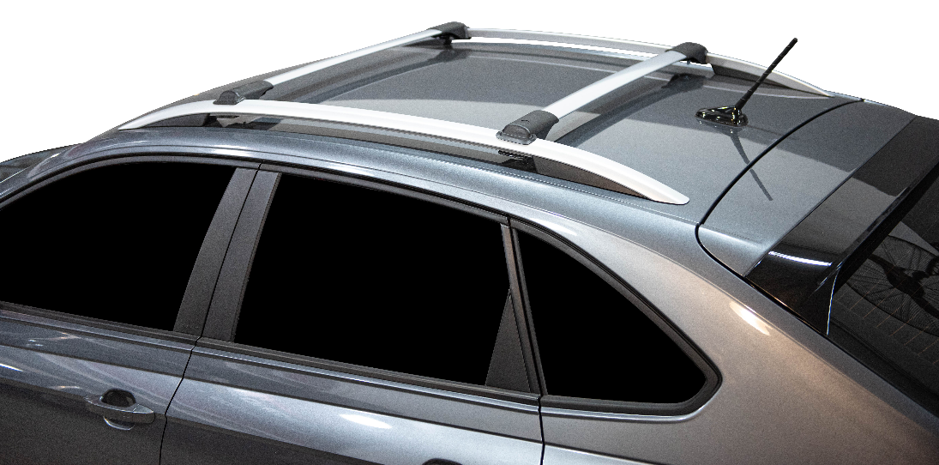
 | DC28G | FORD TERRITORY | $ 28,356.82

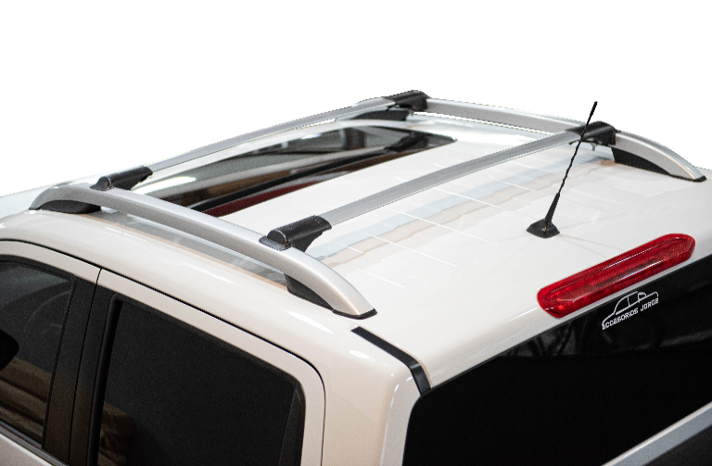

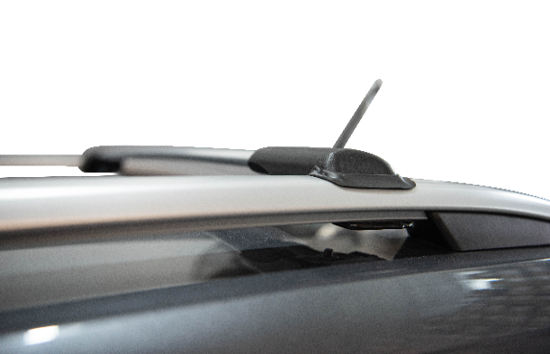

 | BARRAS AERODINAMICAS ALUMINIO COLOR NEGRO

 | CODIGO | VEHICULO | PRECIO
 | DC04N | FIAT TORO | $ 27,126.60
 | DC05N | TIGUAN / CAPTIVA | $ 27,126.60
 | DC19N | TOYOTA SW4 | $ 27,126.60
 | DC02N | CHEVROLET TRACKER / PEUGEOT 2008 | $ 27,126.60
 | DC08N | CITROEN AIR CROSS / DUSTER LINEA VIEJA | $ 27,126.60
 | DC11N | FIAT STRADA LINEA NUEVA DOBLE CABINA | $ 27,126.60
 | DC13N | FORD KUGA 2013/TIGUAN ALLSPACE 2019+/TUCSON 2013 | $ 27,126.60
 | DC15N | ETIOS CROSS | $ 27,126.60
 | DC16N | NISSAN FRONTIER NP 300 2017+ | $ 27,126.60
 | DC09N | SANDERO STEPWAY | $ 27,126.60
 | DC24N | KANGOO STEPWAY NUEVA | $ 27,126.60
 | DC25N | GOLF VARIANT | $ 27,126.60
 | DC06N | RENAULT KOLEOS | $ 28,356.82
 | DC23N | GRAN VITARA | $ 27,126.60
 | DC03N | CITROEN CACTUS | $ 27,126.60
 | DC21N | VW T-CROSS | $ 27,126.60
 | DC07N | RENAULT DUSTER 2016+ / OROCH | $ 28,356.82
 | DC22N | ZAFIRA / CHERY QQ / CORSA WAGON | $ 27,126.60
 | DC06N | PARTNER PATAGONICA / RANGER LIMITED / JEEP RENEGADE | $ 28,356.82
 | DC18N | SURAN / VW CROSS UP | $ 27,126.60
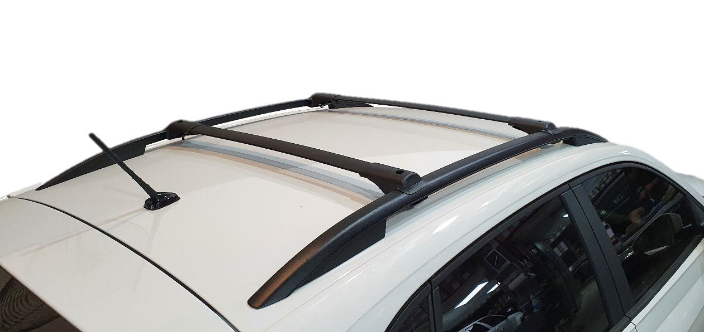
 | DC26N | CHEVROLET SPIN | $ 27,126.60
 | DC28N | FORD TERRITORY | $ 28,356.82

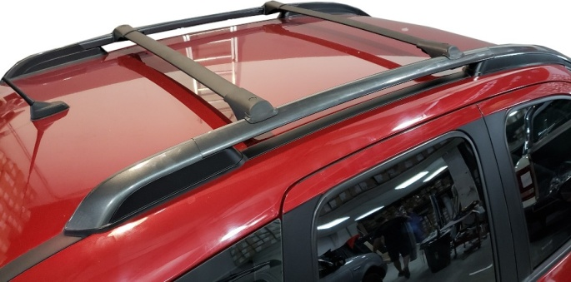
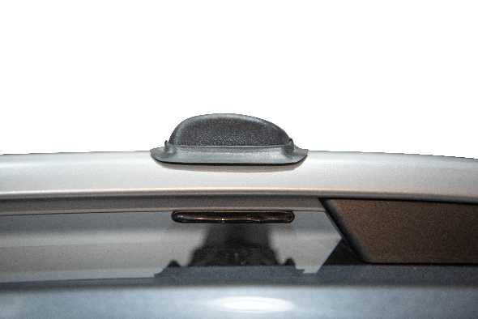

 | BARRAS FORD ECO SPORT KINETIC ALUMINIO

 | CODIGO | COLOR | PRECIO
 | DC01GC | GRIS CLARO | $ 24,358.58
 | DC01GO | GRIS OSCURO | $ 24,358.58
 | DC01N | NEGRO | $ 24,358.58

